Cancer Incidence
Belfast West Assembly Constituency Data
There were an average of 633 cancers (including non-melanoma skin cancer; NMSC) diagnosed each year in the Belfast West assembly constituency between 2010 and 2014.
This represents 5.16% of all cancer diagnoses in Northern Ireland during this time period. After adjusting for population age and size, Belfast West has the highest rate of
cancer incidence of any of the 18 assembly constituencies. Average number of cases diagnosed per year and cancer incidence can be found below.

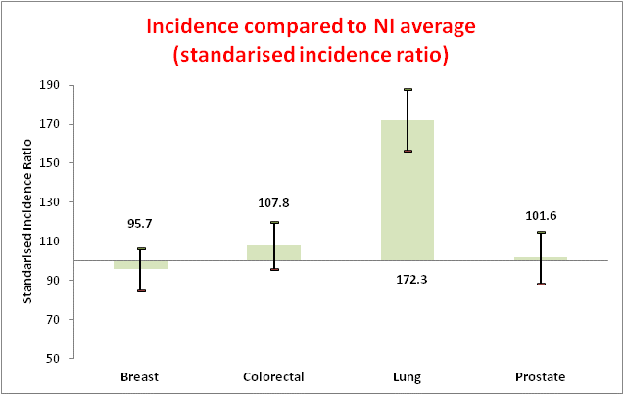
TYPE OF CANCER | NUMBER | INCIDENCE | STANDARDISED | LOWER 95% | UPPER 95%
 | OF CASES | RATE* | INCIDENCE RATIO | CI | CI
Bladder | 10.0 | 15.9 | 109.9 | 79.4 | 140.4
Brain | 6.0 | 7.3 | 87.9 | 65.2 | 110.5
Brain (Non-invasive) | 12.0 | 16.6 | 116.4 | 96.8 | 136.1
Female Breast | 60.0 | 150.1 | 95.7 | 84.8 | 106.5
Female Breast (in situ) | 4.0 | 10.2 | 54.5 | 31.2 | 77.8
Cervix | 7.0 | 16.1 | 148.0 | 100.3 | 195.7
Cervix (in situ) | 80.0 | 145.5 | 115.9 | 104.5 | 127.3
Colon | 40.0 | 59.7 | 105.5 | 90.8 | 120.1
Colorectal | 60.0 | 89.5 | 107.8 | 95.6 | 120.0
Head & Neck | 27.0 | 37.4 | 188.2 | 156.4 | 219.9
Kidney | 15.0 | 22.4 | 110.3 | 85.7 | 134.9
Laryngeal | 8.0 | 11.6 | 218.3 | 169.6 | 267.1
Leukaemia | 7.0 | 11.3 | 77.6 | 52.6 | 102.6
Lip, oral cavity and pharynx | 18.0 | 25.0 | 180.0 | 143.2 | 216.8
Liver | 7.0 | 11.6 | 167.4 | 129.0 | 205.8
Lung | 91.0 | 138.1 | 172.3 | 156.5 | 188.2
Lymphoma | 18.0 | 25.5 | 97.7 | 77.6 | 117.8
Lymphoma (Hodgkins) | 3.0 | 3.4 | 97.5 | 61.4 | 133.6
Lymphoma (Non-Hodgkins) | 15.0 | 21.0 | 94.0 | 72.5 | 115.6
Melanoma | 16.0 | 20.7 | 101.0 | 78.7 | 123.3
Myeloma | 6.0 | 8.5 | 93.1 | 68.5 | 117.7
NMSC | 155.0 | 231.9 | 98.5 | 91.6 | 105.5
Oesophagus | 10.0 | 14.8 | 108.7 | 86.9 | 130.6
Ovarian | 9.0 | 22.8 | 100.1 | 71.2 | 129.0
Pancreas | 12.0 | 19.1 | 122.4 | 100.5 | 144.3
Prostate | 46.0 | 163.8 | 101.6 | 88.4 | 114.8
Rectum | 16.0 | 23.5 | 107.5 | 83.8 | 131.2
Stomach | 18.0 | 27.4 | 171.7 | 136.0 | 207.3
Testicular | 3.0 | 7.0 | 99.9 | 64.7 | 135.0
Unknown primary | 12.0 | 19.4 | 121.2 | 90.3 | 152.2
Uterus | 11.0 | 29.1 | 96.2 | 70.8 | 121.6
All Cancers (exc NMSC) | 478.0 | 701.2 | 118.1 | 113.3 | 122.8
All Cancers (inc NMSC) | 633.0 | 933.1 | 112.6 | 108.7 | 116.5
Gender specific data only is quoted for breast, cervix, prostate, testicular, and uterus. Incident rate is quoted as 2013 European age-standarised incidence rate per 100,000 persons. CI refers to 'confidence intervals'. All cancers are not presented individually in the table above, and some cancers will appear more than once, therefore, the sum of the cancer types may not match the total shown.

Cancer Mortality
Cancer Mortality Data
Belfast West

Mortality compared to NI average (standarised mortality ratio)
 | vol | high | low | close
Breast | 101.2 | 124.2 | 78.1
Colorectal | 115.3 | 136.9 | 93.6
Lung | 185.7 | 204 | 167.4
Prostate | 114.3 | 143 | 85.6
TYPE OF | NUMBER | MORTALITY | STANDARDISED | LOWER 95% | UPPER 95%
CANCER | OF CASES | RATE* | MORTALITY RATIO | CI | CI
Bladder | 6 | 9.6 | 114.4 | 73.5 | 155.3
Brain | 5 | 6.5 | 100.6 | 72.4 | 128.7
Breast | 15 | 37.7 | 101.2 | 78.1 | 124.2
Cervix | 2 | 4.7 | 176.5 | 67.1 | 285.9
Colorectal | 22 | 34.1 | 115.3 | 93.6 | 136.9
Head & Neck | 9 | 13.4 | 177.0 | 124.7 | 229.3
Kidney | 6 | 9.2 | 134.9 | 87.4 | 182.4
Leukaemia | 5 | 7.8 | 92.0 | 55.2 | 128.8
Liver | 7 | 11.6 | 158.6 | 122.2 | 194.9
Lung | 79 | 120.5 | 185.7 | 167.4 | 204.0
Lymphoma | 5 | 7.9 | 88.3 | 63.6 | 113.1
Melanoma | 2 | 2.7 | 84.7 | 46.6 | 122.8
Myeloma | 4 | 6.0 | 113.1 | 76.6 | 149.5
Oesophagus | 8 | 13.2 | 108.6 | 85.3 | 132.0
Ovarian | 6 | 15.0 | 97.4 | 61.3 | 133.4
Pancreas | 12 | 18.4 | 120.9 | 98.8 | 143.0
Prostate | 12 | 51.7 | 114.3 | 85.6 | 143.0
Stomach | 13 | 19.6 | 189.6 | 142.8 | 236.4
Uterus | 3 | 8.3 | 131.9 | 67.3 | 196.6
All cancers | 251 | 385.5 | 134.0 | 126.6 | 141.4
Gender specific data only is quoted for breast, cervix, prostate, testicular, and
uterus. Mortality rate is quoted per 100,000 persons. CI refers to 'confidence
intervals'.

All cancers are not presented individually in the table above, therefore, the sum of the cancer types will not match the total shown.

